Sheet1
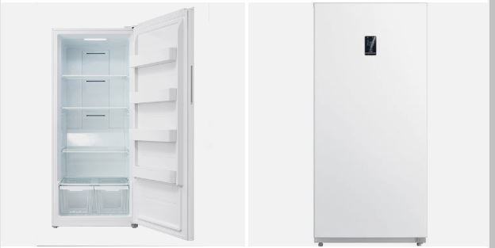
Descritipon | Model # | Map | Inventory |  | Location
Kenmore 20.8 CuFt Auto Defrost Garage Ready Upright Freezer In White | KRFU210AWE | $1,099.99 | 39 | $42,899.61 | Miami
Kenmore 20.8 CuFt Auto Defrost Garage Ready Upright Freezer In White | KRFU210AWE | $1,099.99 | 39 | $42,899.61 | Miami
Kenmore 13 CuFt Manual Defrost Chest Freezer in White | KRFC130MWD | $599.88 | 81 | $48,590.28 | Miami | 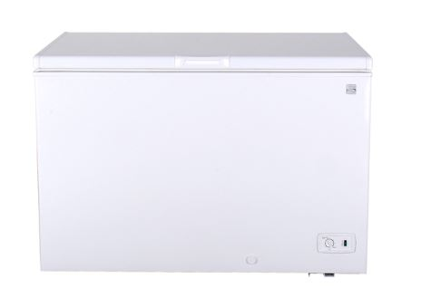
Kenmore 18 CuFt Manual Defrost Chest Freezer in White | KRFC176MWD | $799.99 | 63 | $50,399.37 | Miami | 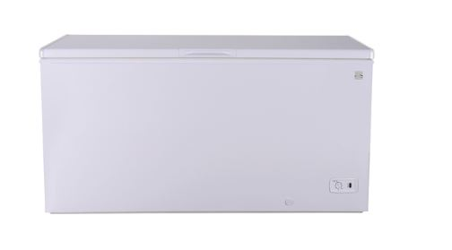
 |  |  | 222 | $184,788.87

